Chpater 10
 | 10.2

 | Population Proportion (Left-Tailed Test) |  |  | Population Proportion (Two-Tailed Test)

 | p-zero % | 0.48 |  | p-zero % | 0.58
 | n | 2000 |  | x | 409
 | x | 982 |  | n | 700
 | a | 0.1 |  | a | 0.1
 | keyword | "is given" |  | keyword | 0.01

 | np(1-p) | 499.2 |  | np(1-p) | 170.52
 | np(1-p) >= 10? | TRUE |  | np(1-p) >= 10? | TRUE

 | p-cap | 0.491 |  | p-cap | 0.58428571429
 |  |  |  | z-zero | 0.229738
 | z-zero | 0.98 | (do not round up)
 |  |  |  | P-value | 0.81836
 | P-value | 0.162 |  | p>a? | P > a
 | p>a? | P > a
 |  |  | if P > A, don't reject.

 | Find Lower and Upper Bound |  |  | If np(1-p) < 10
 |  |  |  |  |  | means (u) | 100
 | x | 494 |  | x | 13 | x-bar (sample mean) | 105.2
 | n | 1195 |  | n | 48 | s | 21.8
 | p-zero | 0.4 |  | p-zero | 57 | n | 40
 | percent (integer) | 99 |  | Change this ->***new x value | 39 | a | 0.1

 | np(1-p) >= 10? | 4.76088 |  | np-zero(1-p-zero) >= 10 | 11.7648 | Is (n >= 30)? | Yes
 |  |  |  | np(1-p) >= 10? | TRUE
 | a/2 | 0.005 |  |  |  | t-zero | 1.508609526
 | critical value (z(a/2)) | 2.5758293035 |  | p-cap | 0.27083333333 | P-value | 0.070
 |  |  |  | z-value
 | p-cap | 0.41338912134 |  |  |  | Reject null hypothesis? | Reject
 |  |  |  | p (less than x) | 1.000
 | lower bound | 0.38 |  | P-value( >= ) | 0.000
 | upper bound | 0.45 | round up ex: 0.45 -> 0.46 | P-value ( <= ) | 0.99989936814

 | if the interval (lower, upper) contains the proportion stated in the null hypothesis, there is insufficient evidence toward a changed result

 | IF P-VALUE is less than alpha, reject the null hypothesis
 | IF P-Value is > alpha, do not reject as there is not enough evdence
 | Type I Error: Rejecting null hypothesis (Hsub0) when Hsub0 is true
 | Type II Error: Rejecting Hsub1 when Hsub1 is true. Or not rejecting Hsub0 when Hsub1 is true

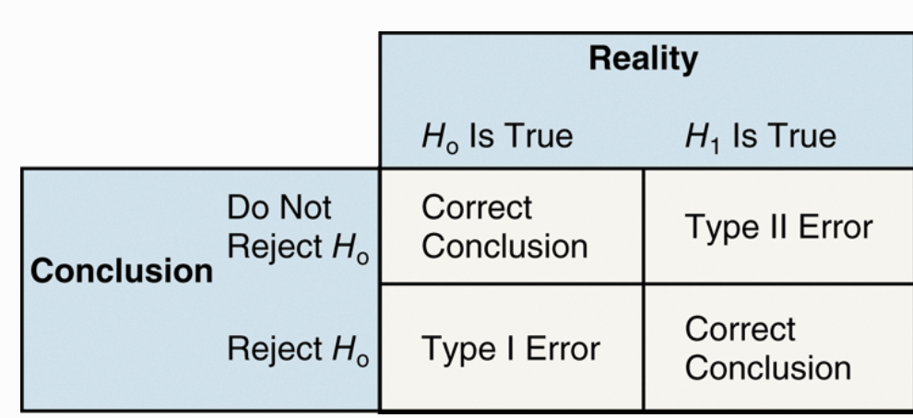
level of significance alpha | α = P(type I error) = P(rejecting Hsub0 when Hsub0 is true)
 | β = P(Type II error) = P(not rejecting H0when H1is true)

 | A​ p-value is the probability of observing the actual​ result, a sample​ mean, for​ example, or something more unusual just by chance if the null hypothesis is true.
 | A​ P-value is the probability of observing a sample statistic as extreme or more extreme than the one observed under the assumption that the statement in the null hypothesis is true.

 | p value = .19
 | If the​ P-value for a particular test statistic is 0.19​, she expects results at least as extreme as the test statistic in about 19 of 100 samples if the null hypothesis is true.
 | since the event is not unusual, don't reject

 | Statistical significance means that the result observed in a sample is unusual when the null hypothesis is assumed to be true.

